Welcome
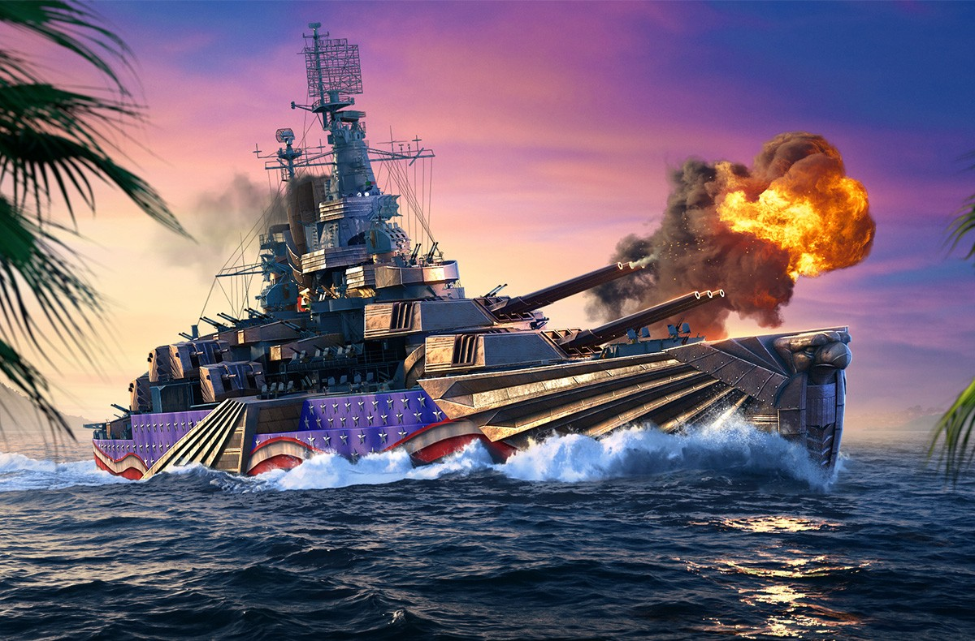

How to Play?
PLAY!!!

Instructions
Welcome to Battleships Game on Excel!
1) This game involves two teams, blue and green. Blue team first sets the base (BLUE SETUP) with desired battle ships without revealing the combinations to the opponent (green team). Remember there is a limit on how many submarines, destroyers, battleships & aircraft carrierS you can enter. The game will notify you if YOU DEPLOY any other alphabets other than S D B A or if you enter more than required quantity. The QTY shows the number of ships you can use and the "USED" column displays the amount of ships used in that category. Also remember that 1 submarine may count as 1, but 1 destroyer may count as only 0.5. This way you can enter more ships until the "USED" column is equal to the "QTY" column (20 SHIPS). Once all the 20 ships are in place, it is green teams chance to setup the base.
2) Green team will follow the same instructions as above and then blue team will start the game by clicking on the button below.
3) Now blue team and green team will take turns one by one to deploy and ship. the left table on the blue base is where the blue team can deploy ships and the left table on the green base is where the green base can deploy the ships.
4) The right table in the blue base is camouflaged with green base in the back and the right table in green base is camouflaged with the blue base. If the ship as accurately been targetted, the box will appear red which denotes HIT! and if the color is not red, it denotes a MISS!.
5) The winner will have 20 red boxes and as soon as that happens, the winner is announced.
6) tO RESTART THE GAME, SELECT THE WHITE CELLS AND CLICK "dELETE" ON ALL THE PAGES.

HOME
BLUE BASE

Blue_Setup
INSTRUCTIONS

 | A | B | C | D | E | F | G | H | I | J
1 |  |  |  |  |  |  |  |  |  |  |  | QTY | SQ | CRAFT TYPE | CODE | USED
2 |  |  |  |  |  |  |  |  |  |  |  | 4 | 1 | SUB | S | 0 | 0
3 |  |  |  |  |  |  |  |  |  |  |  | 3 | 2 | DESTROYER | D | 0 | 0
4 |  |  |  |  |  |  |  |  |  |  |  | 2 | 3 | BATTLESHIP | B | 0 | 0
5 |  |  |  |  |  |  |  |  |  |  |  | 1 | 4 | AIRCRAFT CARRIER | A | 0 | 0
6
7
8 |  |  |  |  |  |  |  |  |  |  | MESSAGES
9
10
HOME
GREEN BASE

Green_Setup
 | A | B | C | D | E | F | G | H | I | J
1 |  |  |  |  |  |  |  |  |  |  |  | QTY | SQ | CRAFT TYPE | CODE | USED
2 |  |  |  |  |  |  |  |  |  |  |  | 4 | 1 | SUB | S | 0 | 0
3 |  |  |  |  |  |  |  |  |  |  |  | 3 | 2 | DESTROYER | D | 0 | 0
4 |  |  |  |  |  |  |  |  |  |  |  | 2 | 3 | BATTLESHIP | B | 0 | 0
5 |  |  |  |  |  |  |  |  |  |  |  | 1 | 4 | AIRCRAFT CARRIER | A | 0 | 0
6
7
8 |  |  |  |  |  |  |  |  |  |  | MESSAGES
9
10
BACK TO BLUE SETUP
BLUE PLAY BEGIN

Blue Play
BLUE TEAM BASE

 | A | B | C | D | E | F | G | H | I | J |  | A | B | C | D | E | F | G | H | I | J
1 |  |  |  |  |  |  |  |  |  |  | 1
2 |  |  |  |  |  |  |  |  |  |  | 2
3 |  |  |  |  |  |  |  |  |  |  | 3
4 |  |  |  |  |  |  |  |  |  |  | 4
5 |  |  |  |  |  |  |  |  |  |  | 5
6 |  |  |  |  |  |  |  |  |  |  | 6
7 |  |  |  |  |  |  |  |  |  |  | 7
8 |  |  |  |  |  |  |  |  |  |  | 8
9 |  |  |  |  |  |  |  |  |  |  | 9
10 |  |  |  |  |  |  |  |  |  |  | 10
GREEN PLAY BEGIN

Green Play
GREEN TEAM BASE

 | A | B | C | D | E | F | G | H | I | J |  | A | B | C | D | E | F | G | H | I | J
1 |  |  |  |  |  |  |  |  |  |  | 1
2 |  |  |  |  |  |  |  |  |  |  | 2
3 |  |  |  |  |  |  |  |  |  |  | 3
4 |  |  |  |  |  |  |  |  |  |  | 4
5 |  |  |  |  |  |  |  |  |  |  | 5
6 |  |  |  |  |  |  |  |  |  |  | 6
7 |  |  |  |  |  |  |  |  |  |  | 7
8 |  |  |  |  |  |  |  |  |  |  | 8
9 |  |  |  |  |  |  |  |  |  |  | 9
10 |  |  |  |  |  |  |  |  |  |  | 10
HOME
BACK TO BLUE

